Workout
Accounting and Financial Analysis

Workout
 | Using the balance sheet calculate the following leverage ratios for both periods:

 | Total debt / EBITDA
 | Total debt / Equity
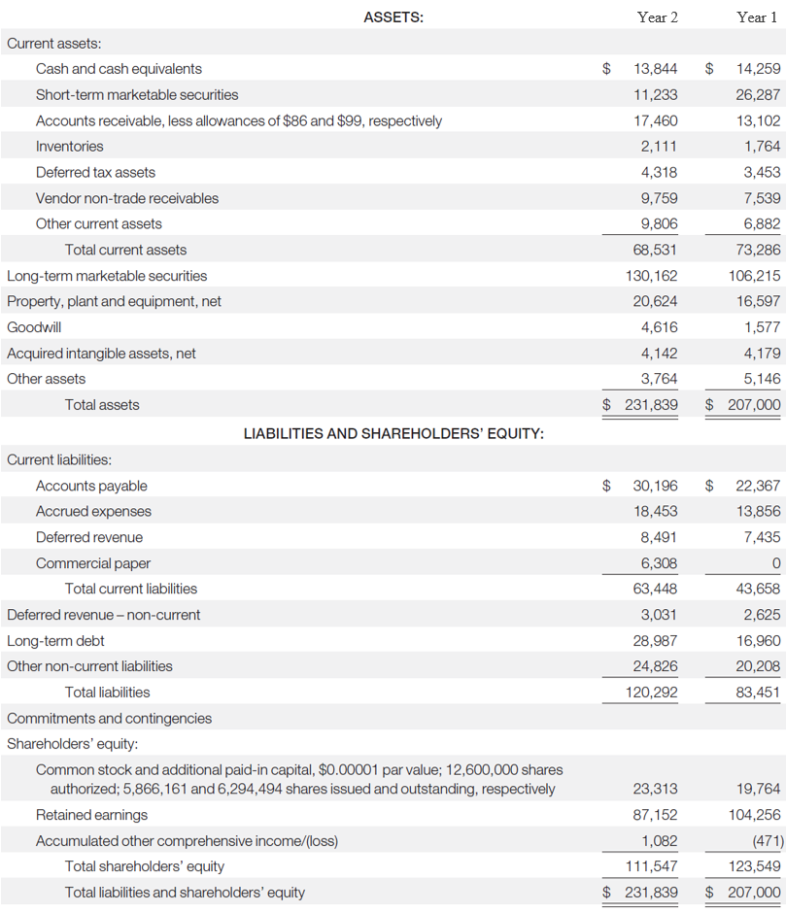

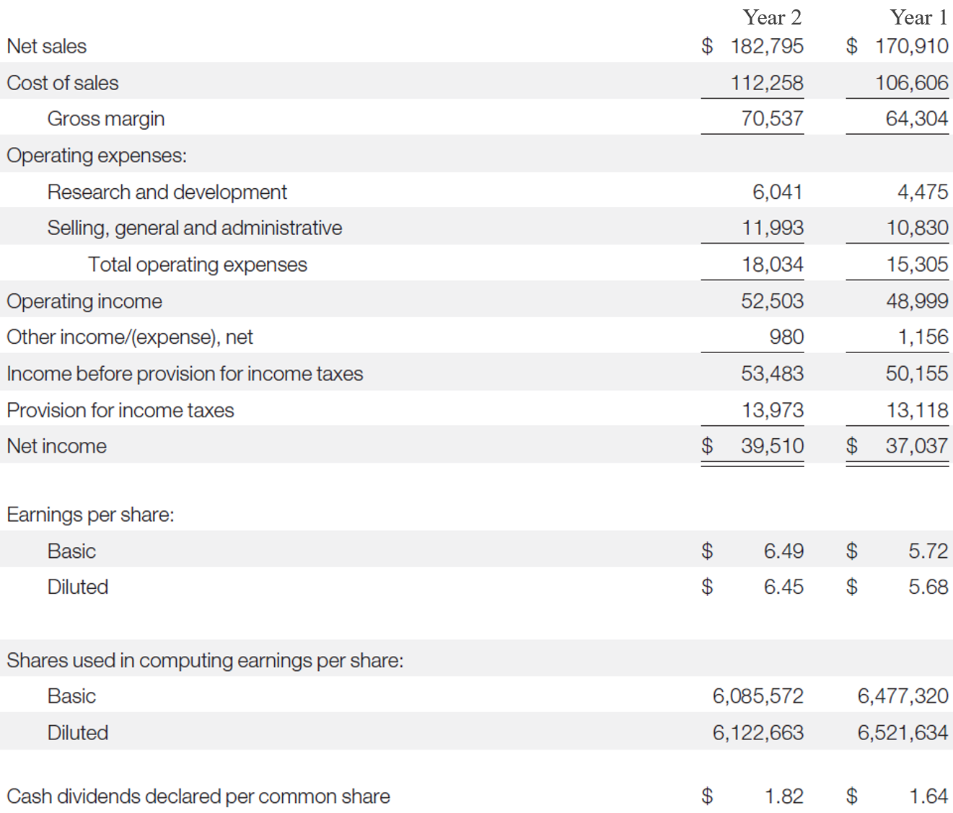

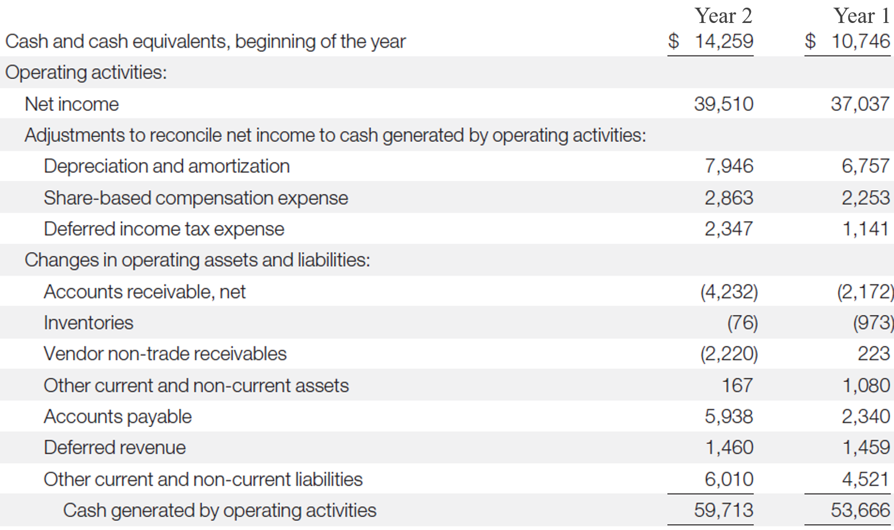

 |  | Year 2 | Year 1
 | Commercial paper | 6,308.0 | 0.0
 | Long-term debt | 28,987.0 | 16,960.0
 | Total debt | 35,295.0 | 16,960.0

 | Total equity | 111,547.0 | 123,549.0

 | EBIT | 52,503.0 | 48,999.0
 | Depreciation and amortization | 7,946.0 | 6,757.0
 | EBITDA | 60,449.0 | 55,756.0

 | Debt / EBITDA | 0.6 x | 0.3 x
 | Debt / Equity | 0.3 x | 0.1 x

End

